Compliance report
 | Weekly Asset Care Compliance Report
 | Don’t change Formula's
 | Week Ending | 4-Dec-25
 | Shaft / Area | NCHW II UG

 | Fleet / Equipment | Planned | Actual | Schedule Compliance | Target | Unit late for service (y/n) | Unit book back on time after service(y/n) |  | Week-end Service | Reasons for Non-Compliance
 | DT | 2 | 2 | 100% | 100% |  | y
 | FL | 3 | 3 | 100% | 100% |  | n |  |  | FL0087 After service strata replaced flasher from, mudule error
 | HD | 4 | 3 | 75% | 100% |  |  |  |  | HD0063 service weekend
 | RT | 2 | 2 | 100% | 100%
 | SR - Service Compliance | 1 | 1 | 100% | 100%
 | Support Equipment | 8 | 8 | 100% | 100%
 | SR - Weekly Inspection | 8 | 8 | 100% | 100%
Weekly Compliance
 | Planned | Actual | Schedule Compliance | Target
DT | 2 | 2 | 1 | 1
FL | 3 | 3 | 1 | 1
HD | 4 | 3 | 0.75 | 1
RT | 2 | 2 | 1 | 1
SR - Service Compliance | 1 | 1 | 1 | 1
Support Equipment | 8 | 8 | 1 | 1
SR - Weekly Inspection | 8 | 8 | 1 | 1

 | Service Pre-Inspection

 | Fleet / Equipment | Planned | Actual | Schedule Compliance | Target | Work order number | Remarks
 | DT | 0 |  |  | 95%
 | FL | 1 | 1 | 100% | 95%
 | HD | 3 | 3 | 100% | 95%
 | RT | 3 | 3 | 100% | 95%
 | SR - Service Compliance | 2 | 2 | 100% | 95%
 | Support Equipment | 2 | 2 | 100% | 95%

 | Schedule Compliance | Target
DT | 0 | 0.95
FL | 0 | 0.95
HD | 0 | 0.95
RT | 0 | 0.95
SR - Service Compliance | 0 | 0.95
Support Equipment | 1 | 0.95

 | Condition monitoring / Oil samples
 | Fleet / Equipment | Engine - Plan | Engine- Received | Transmission - Plan | Transmission - Receive | Axle - plan | Axle - Receive | % Compliance | Reasons for Non-Compliance |  |  | Paperwork Correct | Paperwork Incorrect | Urgent Oil Samples | Workorder Generated
 | DT | 2 | 2 | 2 |  |  |  | 50% |  |  |  |  |  | 0
 | FL | 3 | 3 | 3 |  |  |  | 50% |  |  |  |  |  | 0
 | HD | 0 |  |  |  |  |  |  |  |  |  |  |  | 0
 | RT | 0 |  |  |  |  |  |  |  |  |  |  |  | 0
 | SR | 1 | 1 |  |  |  |  | 100% |  |  |  |  |  | 0
 | Support Equipment | 8 | 8 |  |  |  |  | 100% |  |  |  |  |  | 0

Oil Sample Paper Work
 | Paperwork Correct | Paperwork Incorrect
Condition monitoring / Oil samples
 | % Compliance
DT | 0
FL | 0
HD | 0
RT | 0
SR | 0
Support Equipment | 1
Oil Sample Paper Work
 | Paperwork Correct | Paperwork Incorrect

I

 | Remember Readings

 | Oil Filtration
 | Equipment nr | Oil Type | Start Reading | End Reading | Comments |  | ISO Standard
FA0007

FA0001

 | Inspection done by: | Planned Over-Inspections | Total Number of Inspections Completed | Corrective Work | Wo Number | % Completed | Remarks for not comply
 | UTILITY FOREMAN | 4 | 4 |  |  | 100%
 | MECHANIC FOREMAN | 5 | 5 |  |  | 100%
 | DRILLS FOREMAN | 6 | 6 |  |  | 100%
 | Engineer | 1 | 1 |  |  | 100%
 | Electrical Foreman | 4 | 4 |  |  | 100%
 | Plant Foreman | 4 | 4 |  |  | 100%
 | GES Plant | 1 | 1 |  |  | 100%
 | GES TMM | 1 | 1 |  |  | 100%

Over Inspections
 | Planned Over-Inspections | Total Number of Inspections Completed | Corrective Work
UTILITY FOREMAN | 4 | 4
MECHANIC FOREMAN | 5 | 5
DRILLS FOREMAN | 6 | 6
Engineer | 1 | 1
Electrical Foreman | 4 | 4
Plant Foreman | 4 | 4
GES Plant | 1 | 1
GES TMM | 1 | 1

 | Equipment ID | Date of Inspection | Inspection Performed by | Findings and Defects Completed |  |  | Additional Follow-up Work |  |  | WO No. | Status
 | Conveyor belt guard inspection | 01/12/2025 | Lebogang | None |  |  | None |  |  | 1884095
 | Beltspray & firehose inspection | 02/12/2025 | Lebogang | None |  |  | None |  |  | 1884100
 | Workshop Housekeeping | 03/12/2025 | Lebogang | None |  |  | None |  |  | 1885247
 | U/G pump over inspection | 04/12/2025 | Lebogang | None |  |  | None |  |  | 1881614

 | FL0100 | 17/11/2025 | GAE | Repair oil leak |  |  |  |  |  | 1883436
 | FL0120 | 28/11/2025 | GAE |  |  |  |  |  |  | 1887513
 | DT0120 | 01/12/2025 | GAE | grease system |  |  |  |  |  | 1874265
 | DT0158 | 02/12/2025 | GAE |  |  |  |  |  |  | 1880718
 | FL0102 | 03/12/2025 | GAE |  |  |  | REPLACE FRONT AXLE |  |  | 1853836
 | FL0087 | 04/12/2025 | GAE |  |  |  | CAN COMMUNICATION ERROR

 | LDO633 | 26/11/2025 | DUBA | None |  |  | None |  |  | 1887516
 | LD0580 | 01/12/2025 | DUBA | None |  |  | None |  |  | 1887516
 | SR0045 | 01/12/2025 | DUBA | None |  |  | None |  |  | 1896498
 | LD0605 | 03/12/2025 | DUBA | None |  |  | None |  |  | 1893074
 | UV0119 | 04/12/2025 | DUBA | None |  |  | None |  |  | 1853835
 | UV0123 | 05/12/2025 | DUBA | None |  |  | None |  |  | 1883443
 | LD0579 | 05/12/2025 | DUBA | None |  |  | None |  |  | 1880723
 | LD0590 | 05/12/2025 | DUBA | None |  |  | None |  |  | 1889543

 | RT0038 | 28/11/2025 | ROY | None |  |  | None |  |  | 1884454
 | RT0040 | 04/12/2025 | ROY | Leaking eingine oil cooler |  |  | Repariared the leak |  |  | 1880763
 | HD0064 | 02/12/2025 | ROY | None |  |  | None |  |  | 1882703
 | HD0065 | 04/12/2025 | ROY | None |  |  | None |  |  | 1884357
 | HD0068 | 05/12/2025 | ROY | Driving lights switch |  |  | Replaced the switch |  |  | 1882702

 | Conv 5 | 01/12/2025 | Shaied | 3 x Lights |  |  | To be replaced |  |  | 1881812
 | Conv 6 | 01/12/2025 | Shaied | 2 x lights |  |  | To be replaced |  |  | 1881813
 | Conv 7 | 01/12/2025 | Shaied | None |  |  | None |  |  | 1881814
 | Conv 8 | 01/12/2025 | Shaied | None |  |  | None |  |  | 1881815

Service schedule
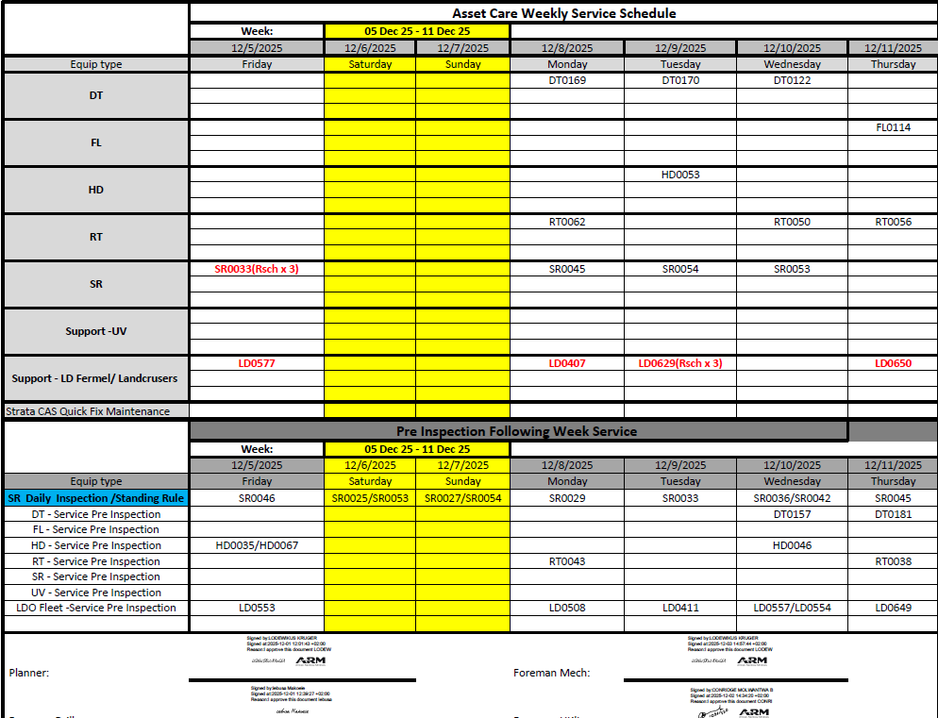
 | Asset Care Service Compliance
 | Week: | 05 - 10 Dec 2025

 | 2025-12-05 | 2025-12-06 | 2025-12-07 | 2025-12-08 | 2025-12-09 | 2025-12-10 | 2025-12-11
Equip type | Friday | Saturday | Sunday | Monday | Tuesday | Wednesday | Thursday
DT

FL

HD

RT

SR

Support

Outstanding

Compressor's

Over Inspections

FM Drill: |  |  |  | FM Mech:

FM Elect: |  |  |  | GES:

ENG: |  |  |  | MO:

